1. Title Page
[Instacart Data Analysis]

Project Name: Instacart Anaylsis
Date: 09/11/2024
Analyst Name: Mosharrf Miah

Contents:
Population Flow
Consistency checks
Wrangling steps
Column derivations
Visualizations
Recommendations

2. Population Flow
Title page

Population flow

Exclusion flag
Condition: max_order < 5
Obervations to be removed: 1,444,295
Final total count of order_products_all: 32,408,858

Orders_products_combined
Orders_products_merged
Orders_products_all

Total: 32,408,858
Total: 32,434,488
Total: 32,408,858

1.) The grey boxes in the first row of the population flow represent the original data sets as they were when you downloaded them. In the Total fields you need to add the count of the rows when you imported the data set into Jupyter.
2.) The second row of boxes (coloured) represents the data sets after you manipulated them, e.g., removed missing values and duplicates. In the Total fields you need to add the count of the rows after conducting these operations. This offers a visual oveview of how the data flows throughout the data consistency checks.
3.) The third row, where also the arrows are coloured, represents the merges you performed between the datasets. In the Total fields you need to add the count of the rows in the merged datasets, so that you end up with the final dataset (in the red box). Keep in mind the final dataset should be without exclusions (based on the exclusion flag).

3. Consistency checks
 |  |  |  | Title page
Consistency checks

Dataset | Missing values | Missing values treatment | Duplicates
orders | 206,209 from 'days_since_prior_order' column | considered first orders | 0 duplicates
products | 16 | removed | 5 duplicates removed
orders_products_prior | 0 | Nothing | 0 duplicates
customers | 11259 | Nothing | 0 duplicates

4. Wrangling steps
 |  |  |  | Title page
Wrangling steps

Columns dropped | Columns renamed | Columns' type changed | Comment/Reason
eval_set |  |  | not required
 | order_dow to orders_day_of_the_week |  | clarify column function
 |  | order_id | Data type changed from mixed to string
 | days_since_prior_order to days_since_last_order |  | clarify column function
 | STATE to state |  | consistant formatting
 | Age to age |  | consistant formatting
 | n_dependants to 'dependants |  | consistant formatting
 | fam_status to marital_status |  | consistant formatting
first_name |  |  | privacy implications
Surname |  |  | privacy implications
_,merged

5. Column derivations
 |  |  |  | Title page

Column derivations and aggregations

In this tab you should add tables below that the frequences of flags/label variables that you produced after deriving them. NB: don't do this for continuous variables, only for flags.
Dataset | New column | Column/s it was derived from | Conditions
ords_prods_merge | Price_range | prices | if prices<= 5 return 'Low-Range Product' if prices > 5 and <= 15 return 'Mid-Range Product' if prices > 15 return ' High-Range Product' else: return ' Not enough data'
ords_prods_merge | busiest_day | orders_day_of_the_week | if value is 0 result busiest day if value is 4 result least busy else result Regular busy
ords_prods_merge | busiest_day | orders_day_of_the_week | if value 0 or 1 result busiest days if value 4 or 3 result slowest days else result Normal busy
ords_prods_merge | busiest_period_of_day | order_hour_of_day | if value in [10, 11, 14, 15, 13, 12, 16, 9] result Most Orders if value in [23, 6, 0, 1, 5, 2, 4, 3 result Fewest Orders else result Average orders
ords_prods_merge | loyalty_flag | max_order | If value > 40 result Loyal_customer if value <= 40) & ( > 10 result 'Regular customer' If value] <= 10 result 'New customer'
ords_prods_merge | spending flag | avg_price | if value < 10 result Low spender If value >= 10 result High spender
ords_prods_merge | order frequency flag | avg_days_between_orde | if value >20 result Non-frequent customer if value > 10) & <= 20 result Regular customer if value <= 10 result Frequent customer
final_merge | region | state | if value in ('Maine','New Hampshire','Vermont','Massachusetts','Rhode Island','Connecticut','New York','Pennsylvania','New Jersey'): result Northeast if value in ('Wisconsin','Michigan','Illinois','Indiana','Ohio','North Dakota','South Dakota','Nebraska','Kansas','Minnesota','Iowa','Missouri'): result Midwest if value in ('Delaware','Maryland','District of Columbia','Virginia','West Virginia','North Carolina','South Carolina','Georgia','Florida','Kentucky','Tennessee','Mississippi','Alabama','Oklahoma','Texas','Arkansas','Louisiana'): result South if value in ('Idaho','Montana','Wyoming','Nevada','Utah','Colorado','Arizona','New Mexico','Alaska','Washington','Oregon','California','Hawaii'): result West else result Not a Region
final_merge | exclusion_flag | max_order | if value <5 result exclude if value >=5 rsult 'stay
final_merge | income_group | income | if value <=55000 result Low Income if value >55000) & <=145000 result Middle Income if value >145000 result High Income
final_merge | age_group | age | if value <=25 result Young adult if value 25 & <=50 result Adult if value >50 & <=70 result Middle age if value >70 result Senior Adult
final_merge | dependants_group | dependants | if vaue 0 result No Dependants if value >=1 result Dependants

Price_range |  | busiest_day | busiest_day
Mid-Range Product 673183 |  | Regular busy 22416875 | Normal busy 12916111
Low-Range Product 314392 |  | busiest day 6204182 | busiest days 11864412
High-Range Product 12425 |  | least busy 3783802 | slowest days 7624336
Name: count, dtype: int64 |  | Name: count, dtype: int64 | Name: count, dtype: int64

busiest_period_of_day |  | loyalty_flag | spending flag
Most Orders 21118071 |  | Regular customer 15876776 | Low spender 31770614
Average orders 9997651 |  | Loyal_customer 10284093 | High spender 634245
Fewest Orders 1289137 |  | New customer 6243990 | Name: count, dtype: int64
Name: count, dtype: int64 |  | Name: count, dtype: int64

order frequency flag |  | region | exclusion_flag
Frequent customer 16468582 |  | South 10791885 | stay 30964564
Regular customer 12521159 |  | West 8292913 | exclude 1440295
Non-frequent customer 3415113 |  | Midwest 7597325 | Name: count, dtype: int64
NaN 5 |  | Northeast 5722736
Name: count, dtype: int64 |  | Name: count, dtype: int64

income_group |  | age_group | dependants_group
Middle Income 21731825 |  | Adult 12152547 | Dependants 23224883
High Income 4780351 |  | Middle age 9614850 | No Dependants 7739681
Low Income 4452388 |  | Senior Adult 5332649 | Name: count, dtype: int64
Name: count, dtype: int64 |  | Young adult 3864518
 |  | Name: count, dtype: int64

6. Visualizations
 | Title page

Visualisations

In this tab you should include all the visualtions from Exercises 4.9 and 4.10, alongside the questions from the project brief that they answer. Include any commentary on the relationship between different variables.

Question
The sales team needs to know what the busiest days of the week and hours of the day are (i.e., the days and times with the most orders) in order to schedule ads at times when there are fewer orders

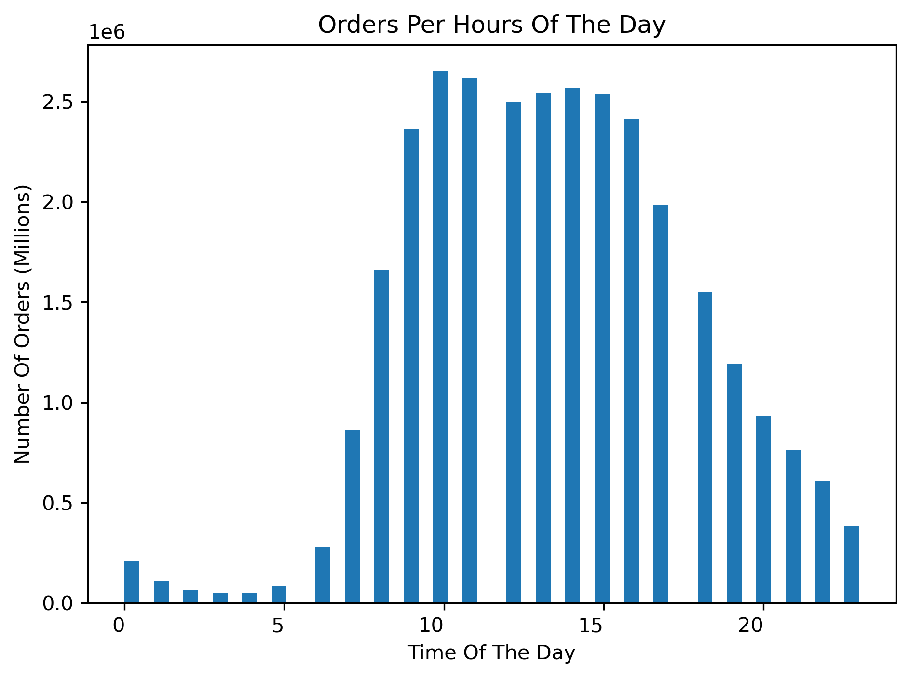
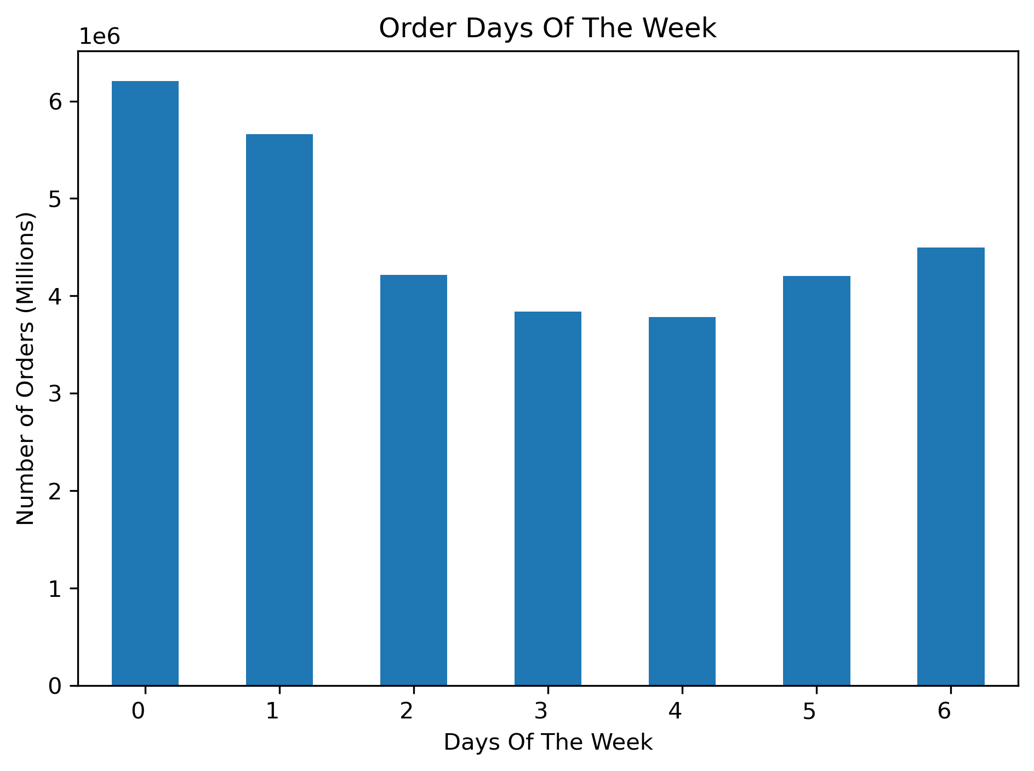

The busiest days of the week are Saturday and Sunday while Tuesday and Wednesday is the least busiest. The most orders comes between the hours of 9 and 4pm

Question
They also want to know whether there are particular times of the day when people spend the most money, as this might inform the type of products they advertise at these times.
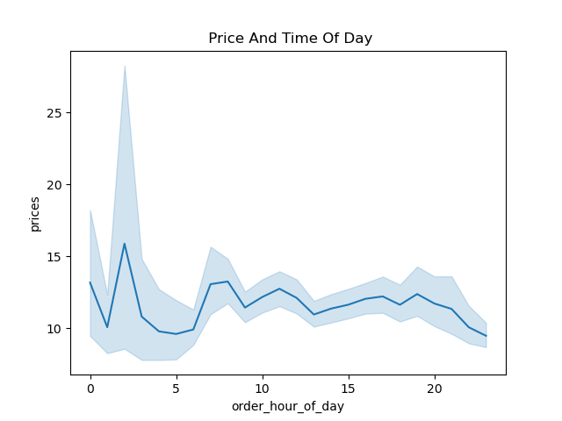

Sales are highest in the early morning, however please note this is an irregular as sales come down to a normal level from 5AM.

Question
Are there certain types of products that are more popular than others? The marketing and sales teams want to know which departments have the highest frequency of product orders.
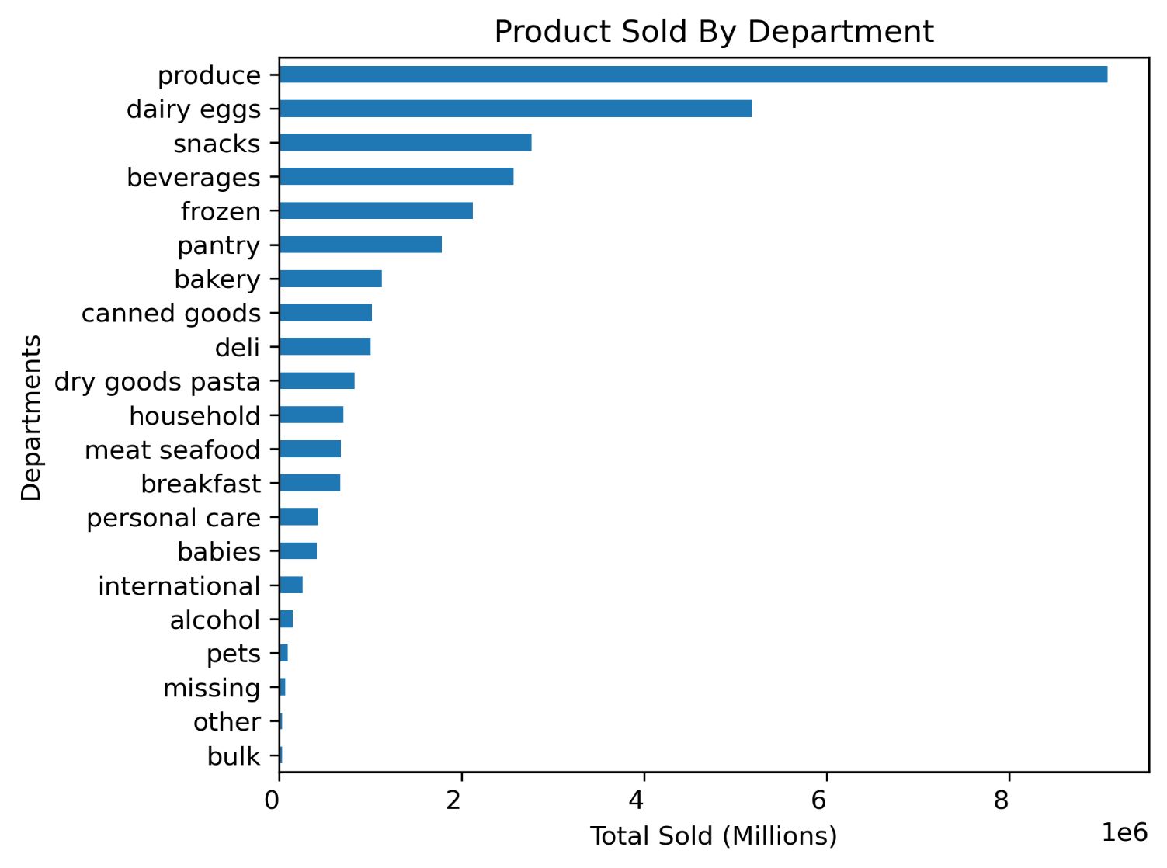

Produce, Dairy/Eggs and Snack have the highest sales within all the departments

Question
What’s the distribution among users in regards to their brand loyalty ?

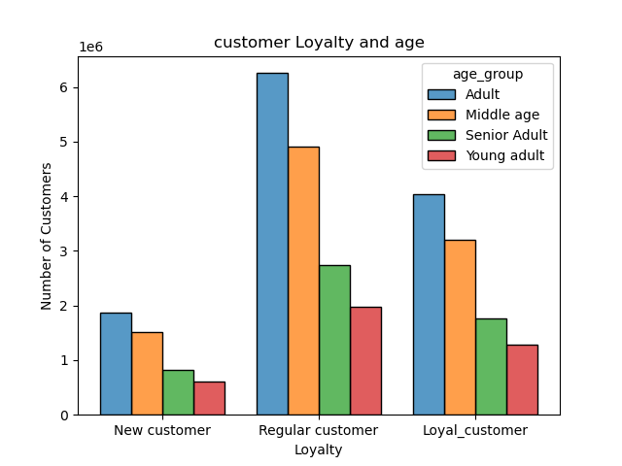
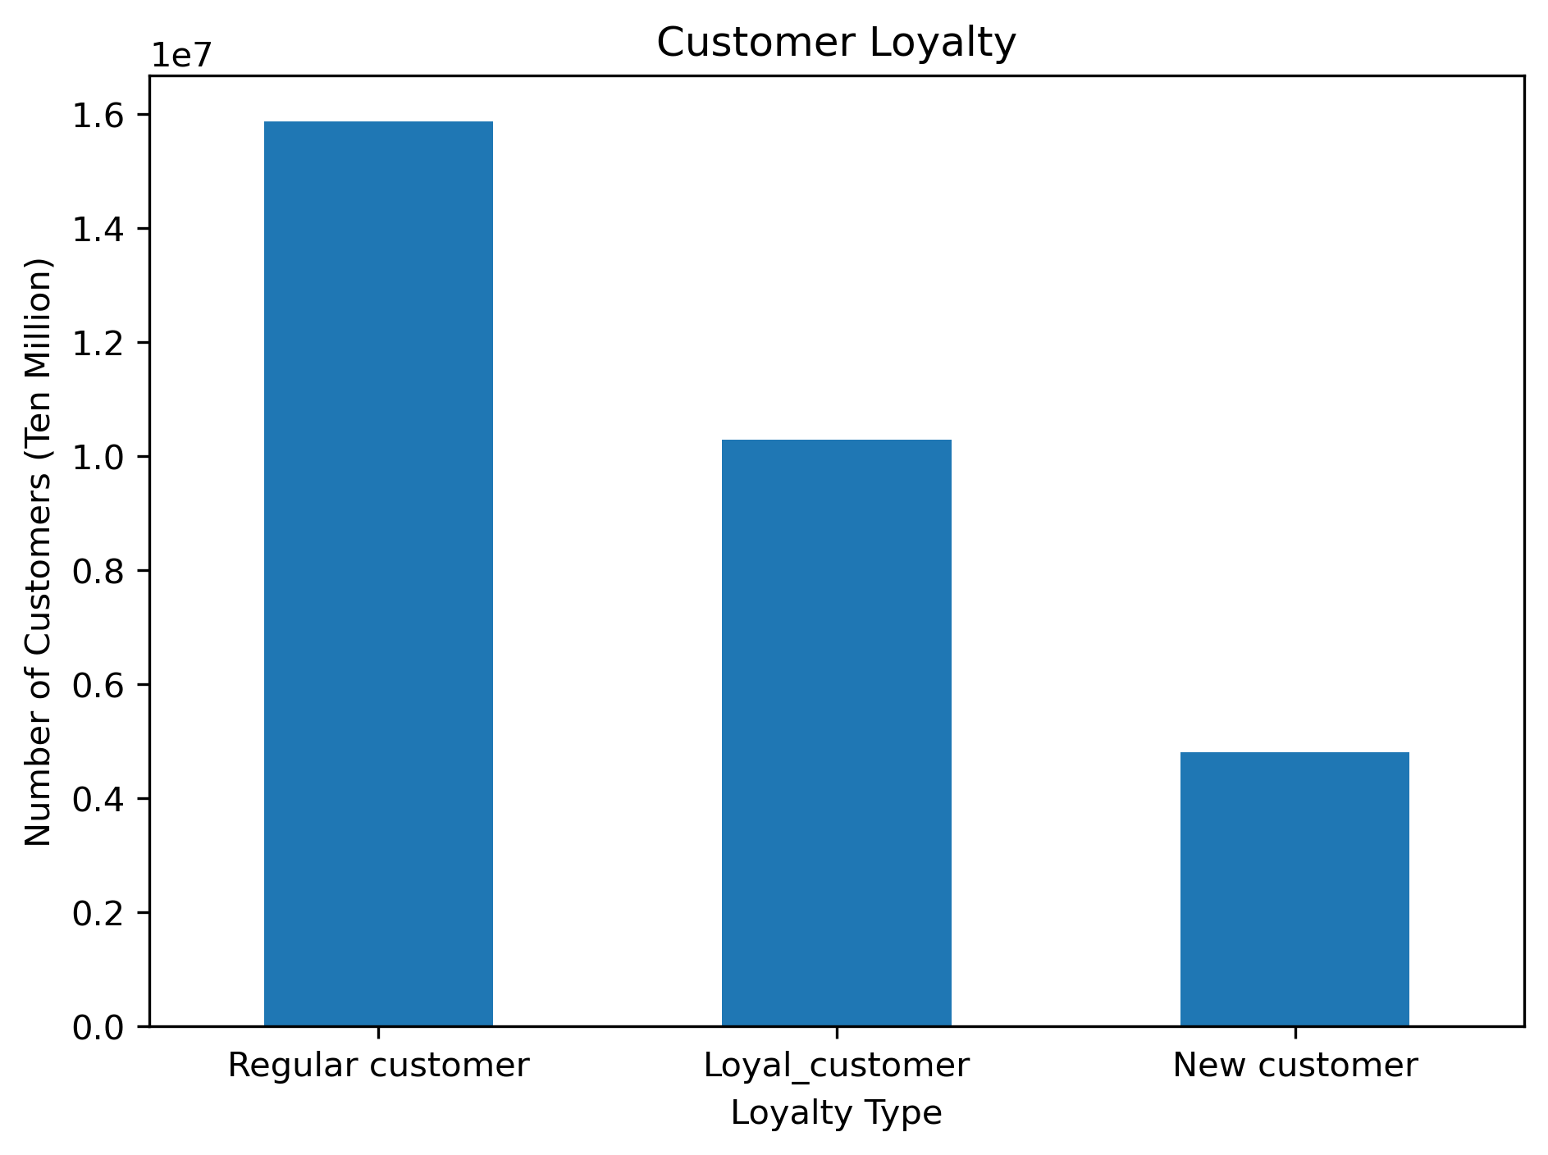

Customers who are grouped in the adult and middle age category and and on middle income group are regular customers to instacart

Question
Are there differences in ordering habits based on a customer’s loyalty status?
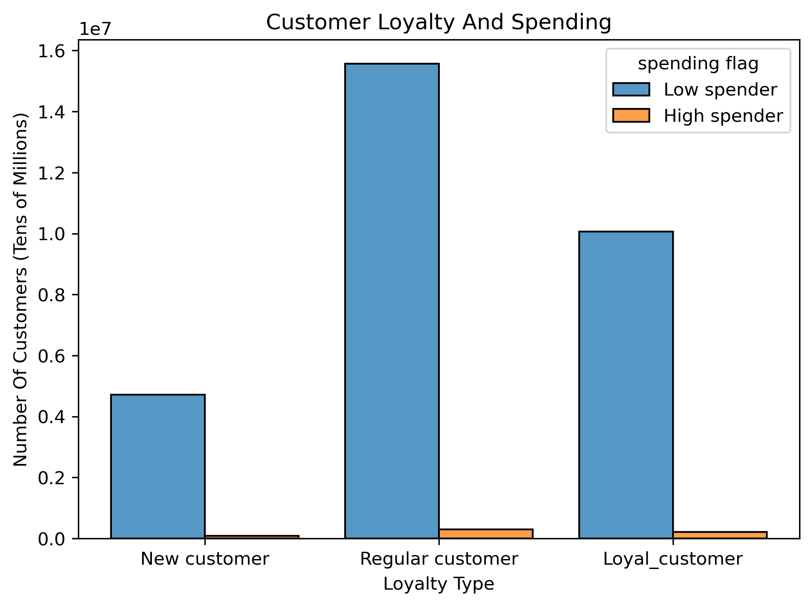

All 3 customer categorys predominately have low spenders compared to high spender

Question
Are there differences in ordering habits based on a customer’s region?

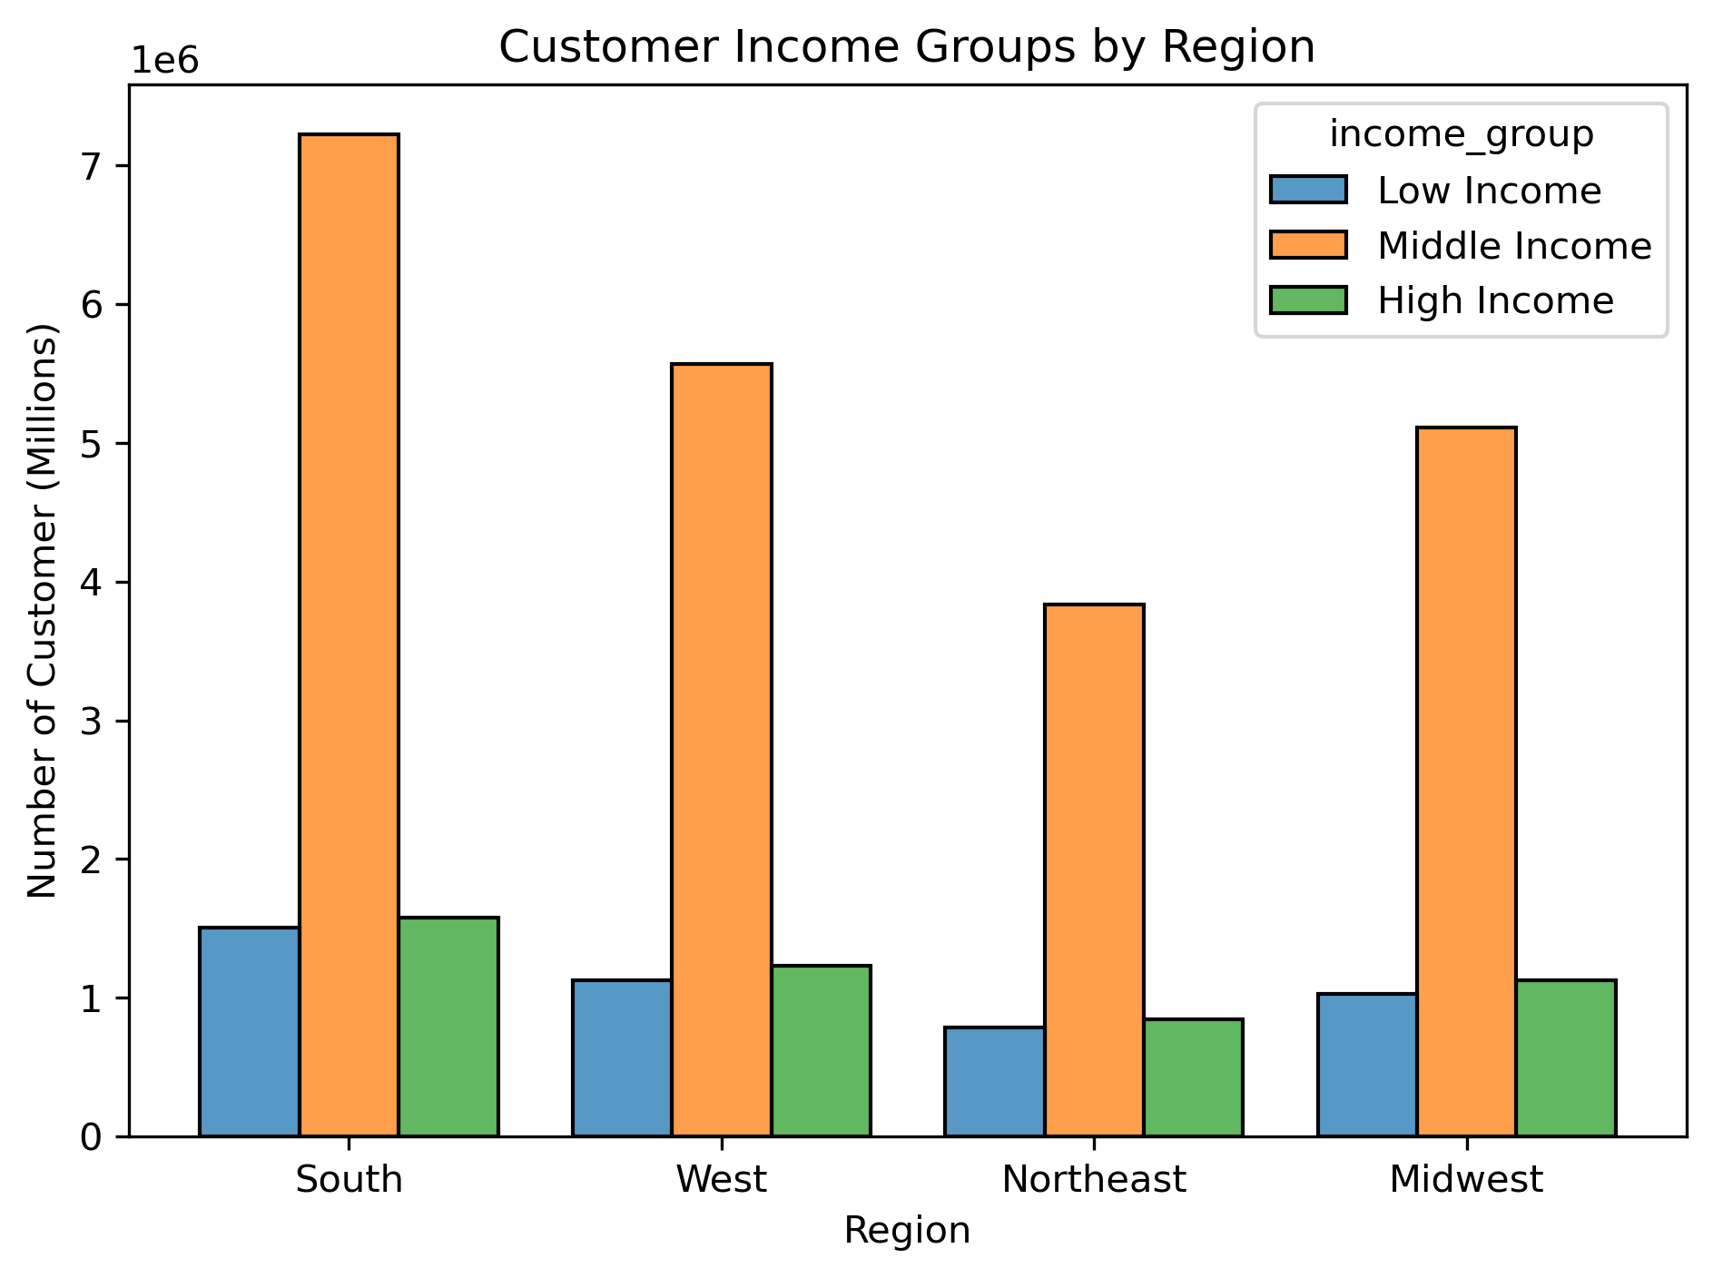
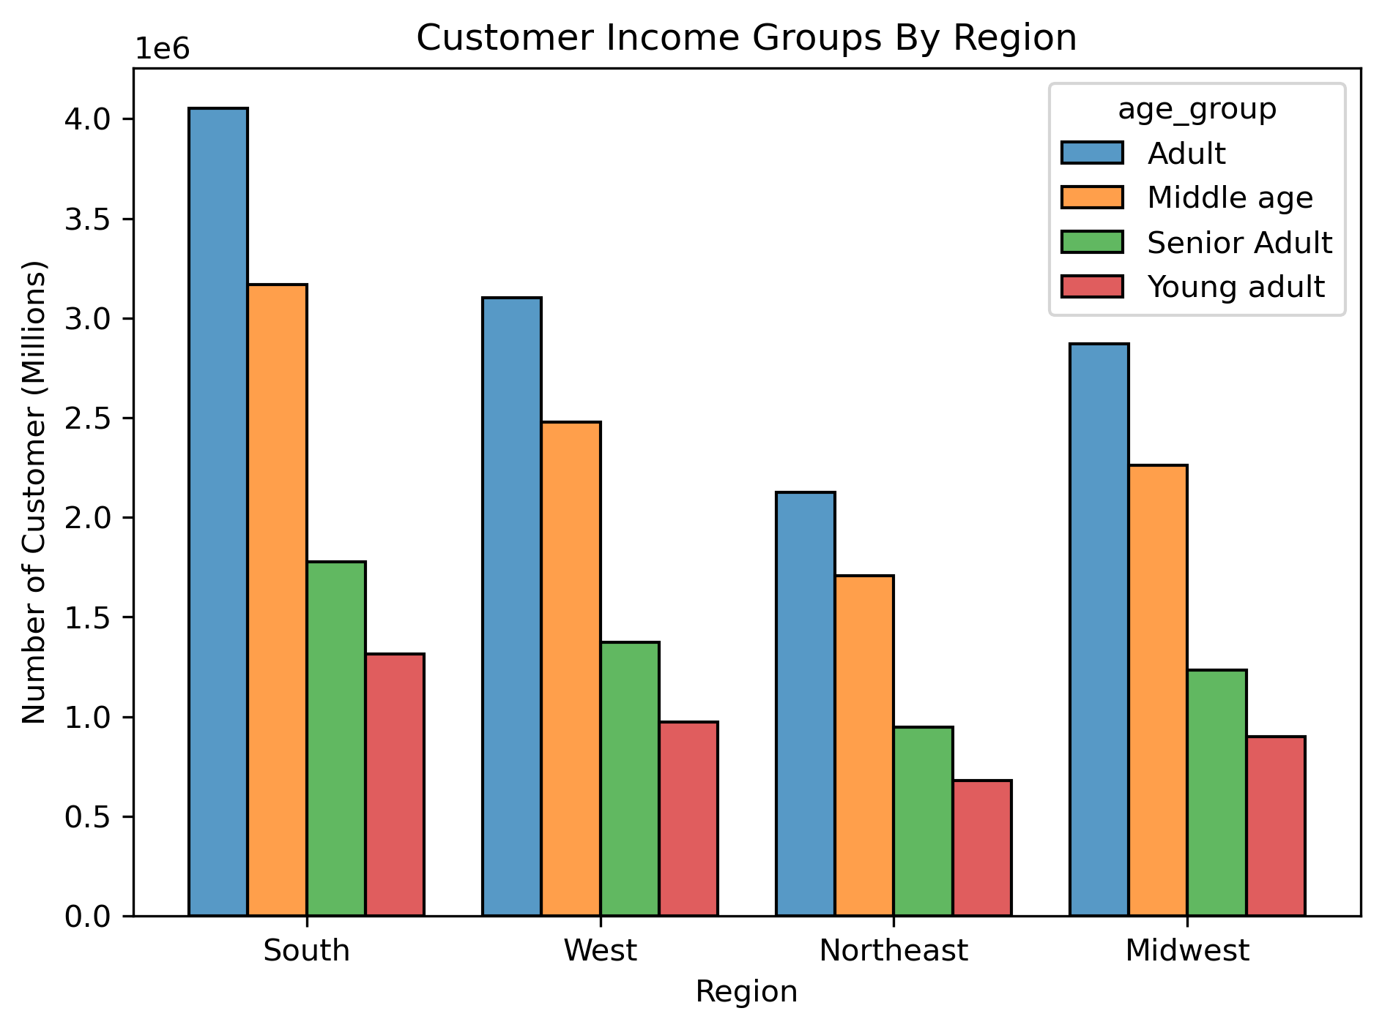
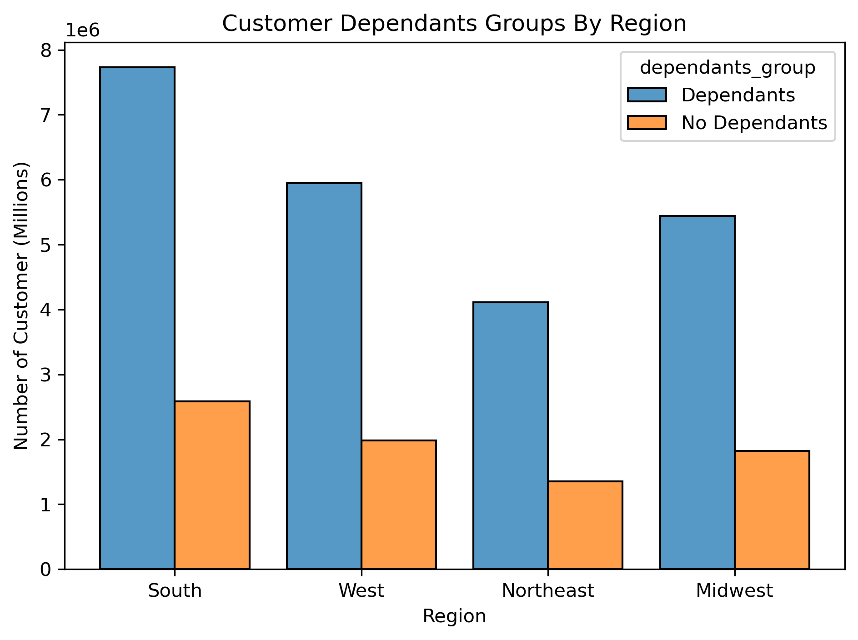

Majority of customer are within the south region

Question
Is there a connection between age and family status in terms of ordering habits?

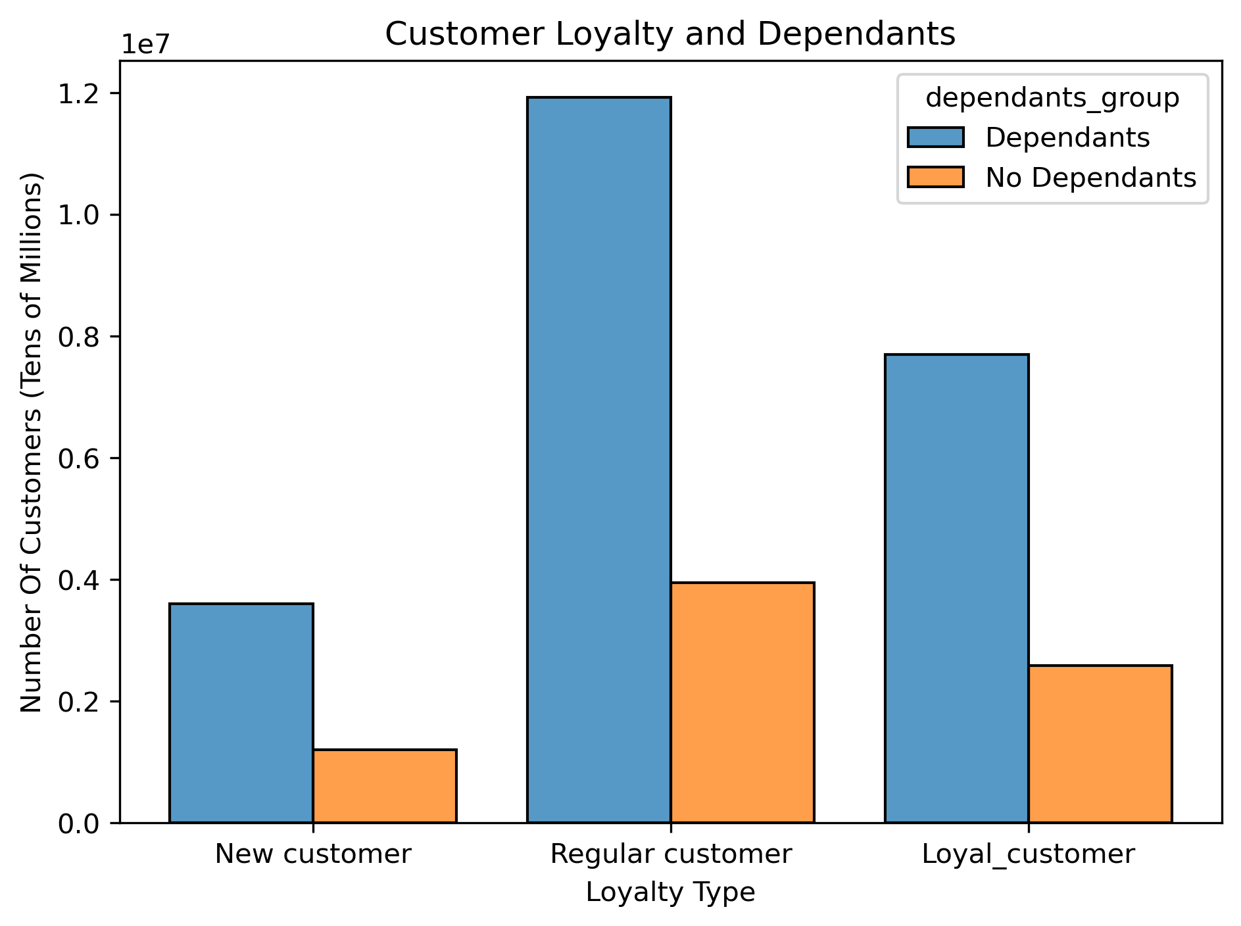
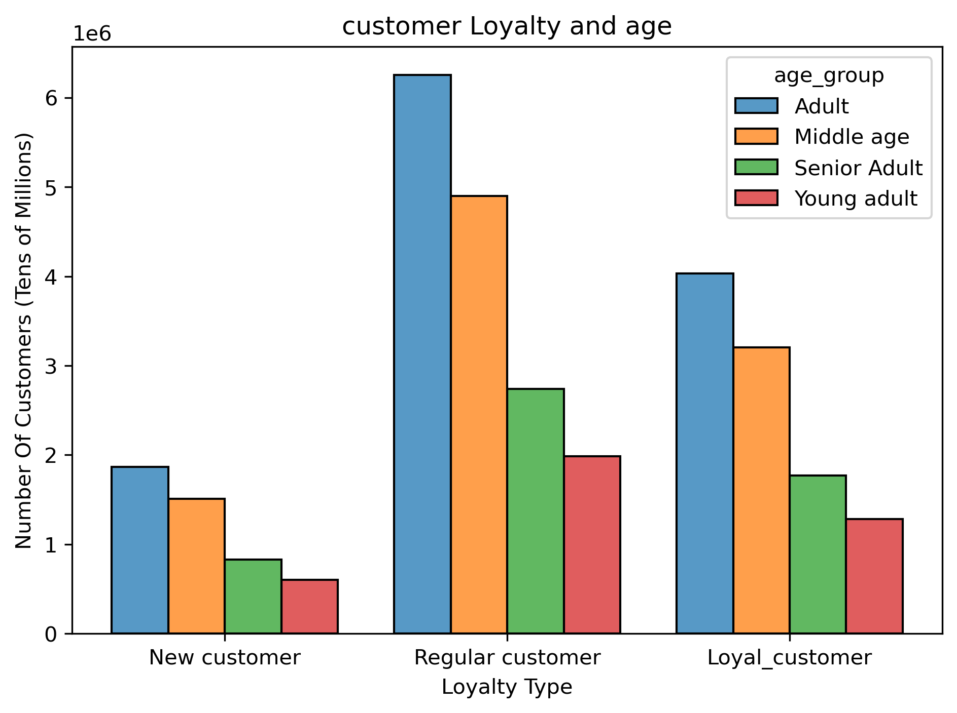
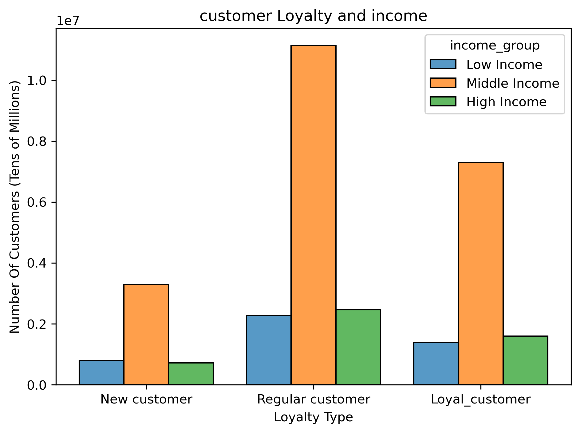

Customers grouped in Adult and Middle age as well as having dependants more likely to shop at Instacart

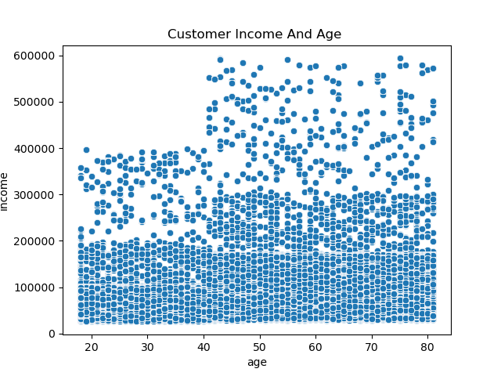
Question
What different classifications does the demographic information suggest?

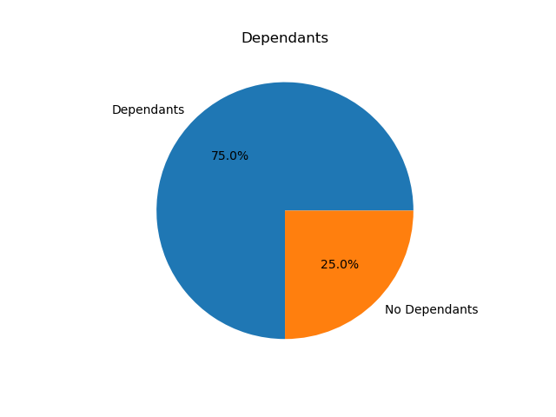
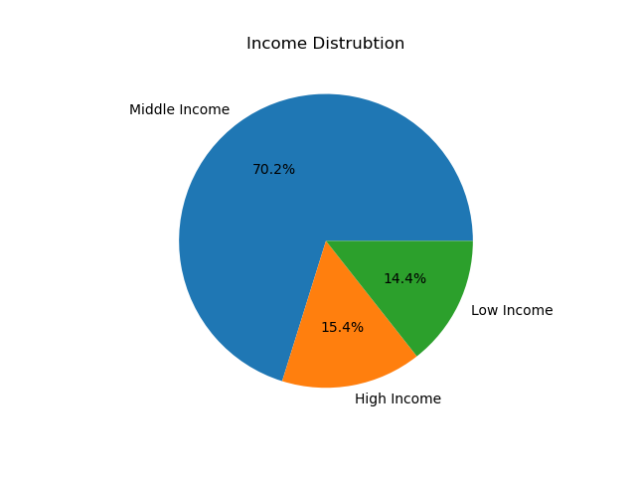

Most customers are adult/middle age with dependants and earn in the middle bracket of income

Question
What differences can you find in ordering habits of different customer profiles?

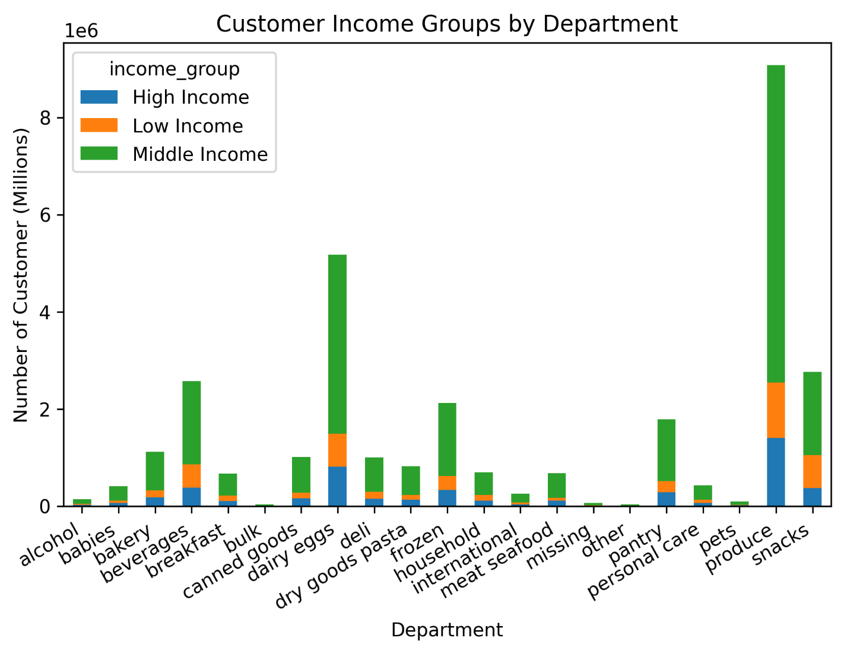
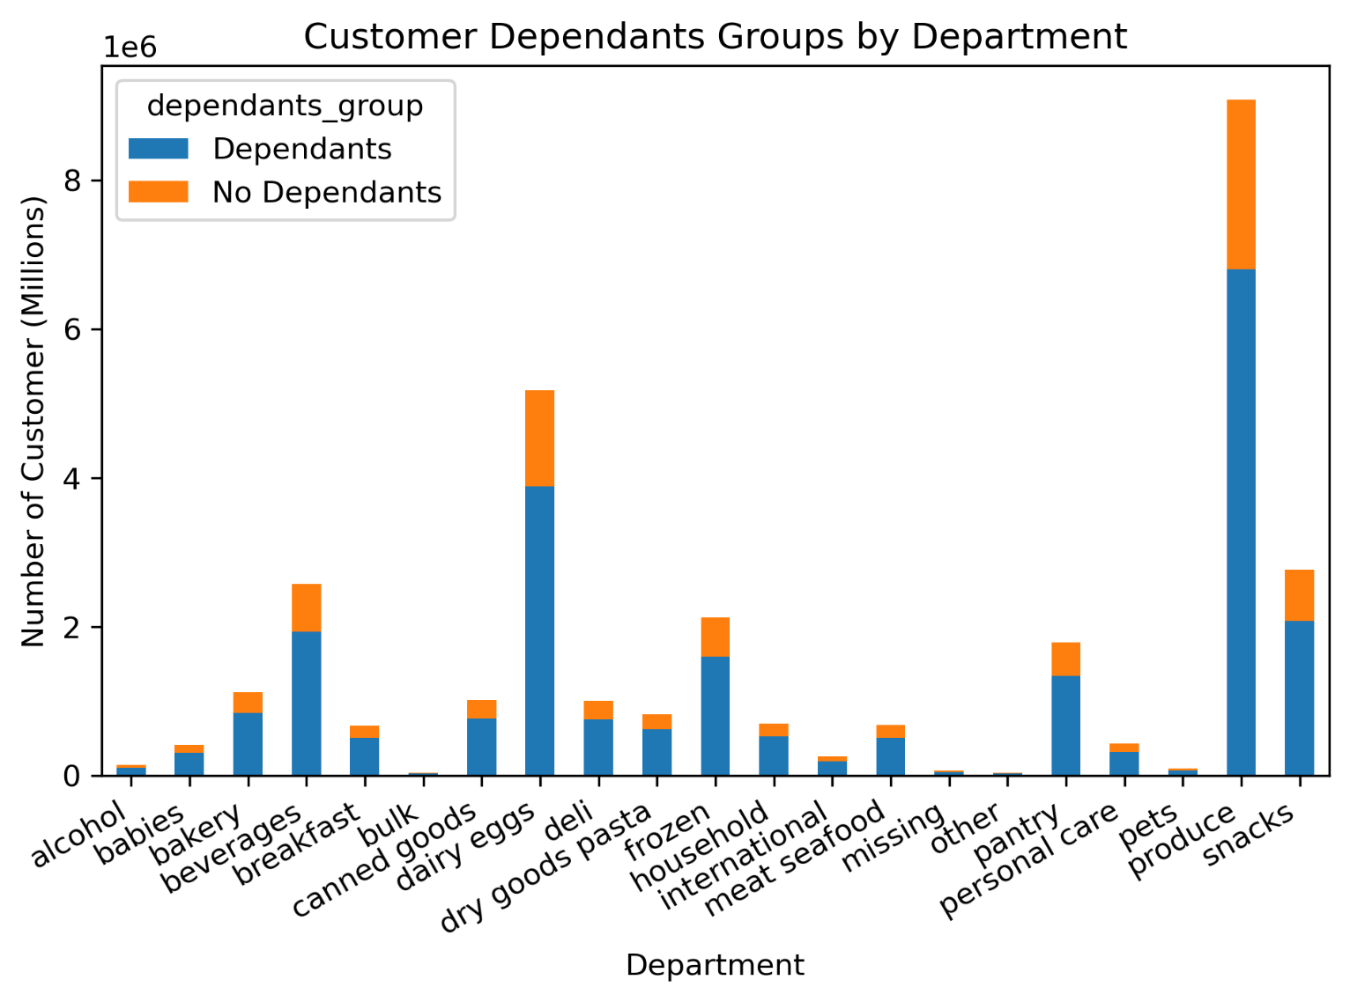
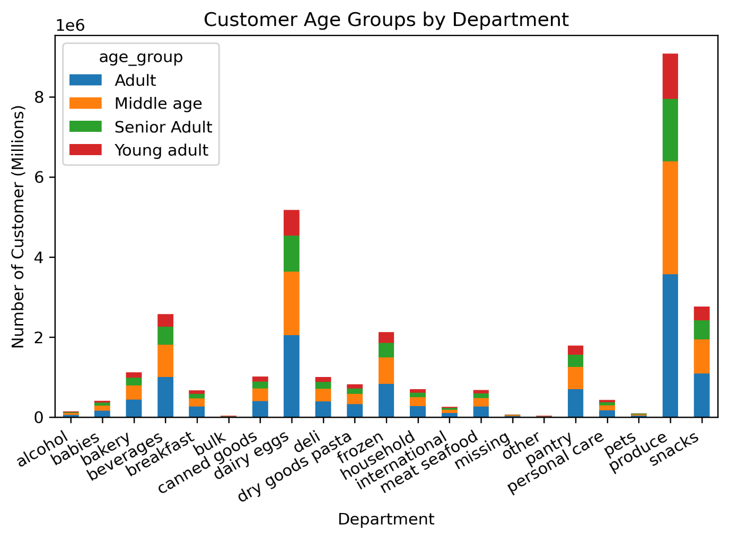

The spending pattern of each customer profile appears to be the same

7. Recommendations
 |  | Title page

Recommendations

In this tab you should include any recommendations you would made to Instcart in terms of their marketing strategy based on the questions posed in the brief. Every key question has been covered in the Tasks of the Exercises - here you need to add an item - a visualisation or table/crosstable that is showing the answer in the data, acompanied by a comment from you. Please, list the questions below and add the answer underneath.

Question | Answer
What are the busiest days of the week and hours of the day? | The busiest days of the week is Saturday and Sunday, while the least busiest is Tuesday and Wednesday. Most orders are placed between 10 AM and 4PM. In order to increase sales during the least busiest days/times, Instacart should run targets ads and promotions encouraging customer to shop during these days/times.
Are there particular times of day when people spend the most money? | There is a spike in sales during the early hours of the morning. This seems to be an anomaly as sales drastically decrease before stabilizing around 5AM and onwards.
Are there certain products that are more popular than others? | Produces is the most popular item sold by Instacart. This is reflected across all different customer profiles. Produces is closely followed by Diary/eggs and Snacks. The least popular department is Pets and Alcohol. In order to increase sales in the struggling departments, Instacart can do target promotions to encourage sales.
Are there differences in ordering habits based on loyalty status? | The majority of Instacart customers a low spenders.To try and convert regular/loyal customers to high spender, instacart can implement a loyalty card scheme which provides discounts on itmes. This system can convert customers to high spenders as well as increase sales in struggling departments.
Are there differences in ordering habits based on region? | The southern regions have the most instacart customers. In order to increase sales in other regions, Instacart can targeted ad campaigns.
Is there a connection between age and family status in terms of ordering habits | Instacart main customer demographic are adults/ middle age while 75% of the customers have dependants. Instacart can group together family essential items and bulks discounts which can also be linked to the loyalty card scheme mentioned before.
What differences can you find in ordering habits of different customer profiles? Consider the price of orders, the frequency of orders, the products customers are ordering, and anything else you can think of. | 70% of customers are middle-income earner, 70% are adult/middle age while 75% have dependants. Generally these characteristic shows the main customer base for instacart are families. I recommend a two sided approach. Roll out the loyalty scheme and provide promotions to encourage familiy demograhic sales as well as discounts to minority demographic to increase the customer base.

